Read me
The ballast water risk assessment is designed to help determine the level of risk the ballast water of different vessels may pose to the territories and whether the ballast water more or less likely to contain invasive species. This risk assessment shoudl be used with the Ballast Water Monitoring Guidance (Document B) in the OT biosecurity toolkit, |  | This risk assessment has been produced by JNCC and MMO, it is funded by the UK government under the Conflict, Stability and Security Fund to provide guidance to assist UKOT government staff with maintaining marine biosecurity with regards to invasive non-native species. | 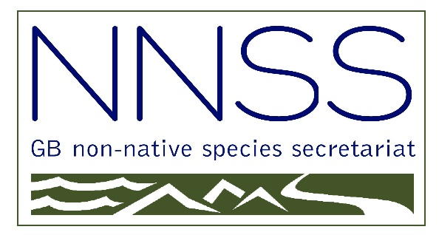
 |  | For further information or any queries please see:
 |  | http://www.nonnativespecies.org/index.cfm?pageid=639


Risk colour coding.
 | High Risk
 | Moderate Risk
 | Low Risk
 | Minimal Risk

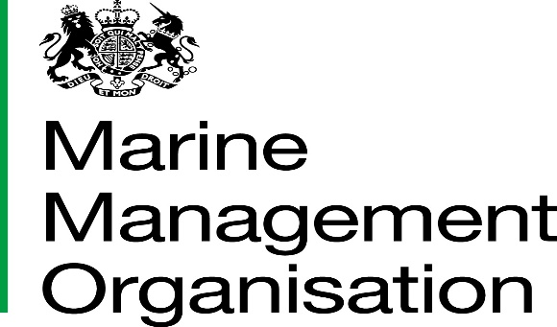
How to fill in the risk assessment.
Question | Answer | Risk rationale
Flag state of vessel | Select the country the vessel is registered to from the drop down list.
Has flag state ratified the convention | This field will automatically populate depending on the result in the first column. | Yes means there is minimal risk (green risk) No means there is a higher risk of invasive non-native species being released into the area (red risk)
Does the vessel have a ballast water management system on board and is it working? If yes there is no need to fill in anymore. If No please fill in the rest of the assessment | Select the answer from the drop down list. If the answer to this is Yes there is no need to go any further through the assessment. If the answer is No the rest of the assessment needs populating as much as possible. | Yes means there is minimal risk (green risk)- no further questions are required No means there is potential for risk (red risk) -the rest of the assessment should be completed as much as possible | 
Has the vessel completed a ballast water exchange? | Select the answer from the drop down list. | Exchanging ballast water beyond 200NM (>200NM) from nearest land is considered low risk and in line with the BWM and considered minimal risk (green risk) Exchanging ballast water at least 50NM (>50NM) from nearest land is still within the convention guidelines and considered low risk (yellow risk) Exchanging ballast water in a designated ballast water exchange area is also considered low risk (yellow risk) Exchanging ballast water within 50NM (<50NM) of nearest land is considered moderate risk (orange risk) Not exchanging ballast water is considered high risk as the potential to release non native species within the port area is increased (red risk)
If a ballast water exchange has not been completed, where did the ballast water come from? | Select the country where the ballast water was taken on (if an exchange was not carried out) from the drop down list of countries. | This is for information and to support in assessing the risk of whether the source of ballast water has come from a similar environment.
Location ballast water taken on | Select location from the drop down list. | Public water supply is considered minimal risk as it is unlikely any marine species will be present in the water (green risk) River port is considered low risk as there is a low likelihood of marine non-native species being present in the water (yellow risk) Estuarine port is considered moderate risk as there is a likelihood marine non-native species could be transported in this water (orange risk) Sea port is considered high risk as marine non-native species found in port areas are likely to have been transported and if released are more likely to settle (red risk)
Are the environmental conditions of the source of the ballast water similar to destination port? | Select the answer from the drop down list. What we mean by similar conditions: Are both ports in the tropical/temperate/arctic regions. | No= minimal risk as any species which have been transported are unlikely to settle (green risk) Maybe = moderate risk, as it is unknown whether species would find the new environment favourable a precautionary approach is advised (orange risk) Don't Know = moderate risk, as it is unknown whether species would find the new environment favourable a precautionary approach is advised (orange risk) Yes = high risk as any species transported and then released by ballast water exchange are likely to survive and settle (red risk)
Cumulative risk score | This field is automatically calculated from the results of previous responses. If the response is judgement required (due to some fields not being filled in) then the information below should be used to advise on the level of risk posed by the vessel. | The recommended actions associated with each level of risk are provided in the adjacent column

5 - Red boxes = Very High Risk
4 - Red boxes = High Risk
3 - Red boxes = Moderate Risk
2 - Red boxes = Low Risk
1 - Red box = Minimal risk

